Sheet1
Jlabel

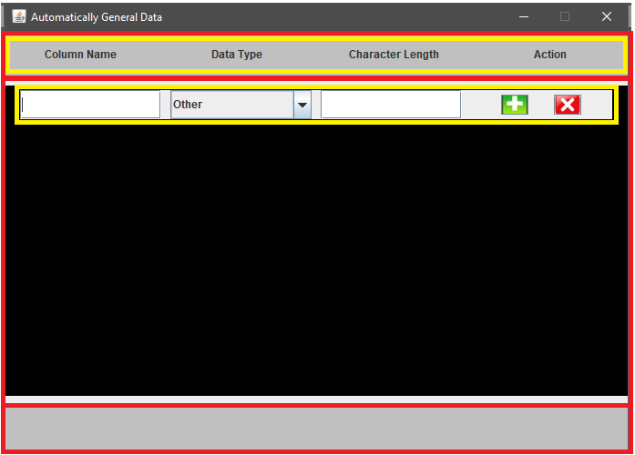
Gridlayout

BorderLayout

Boxlayout

Space between header and body.
Space between footer and body.
we use BorderLayout.setVGap(x)
Button use image

